Pre-R00 SC
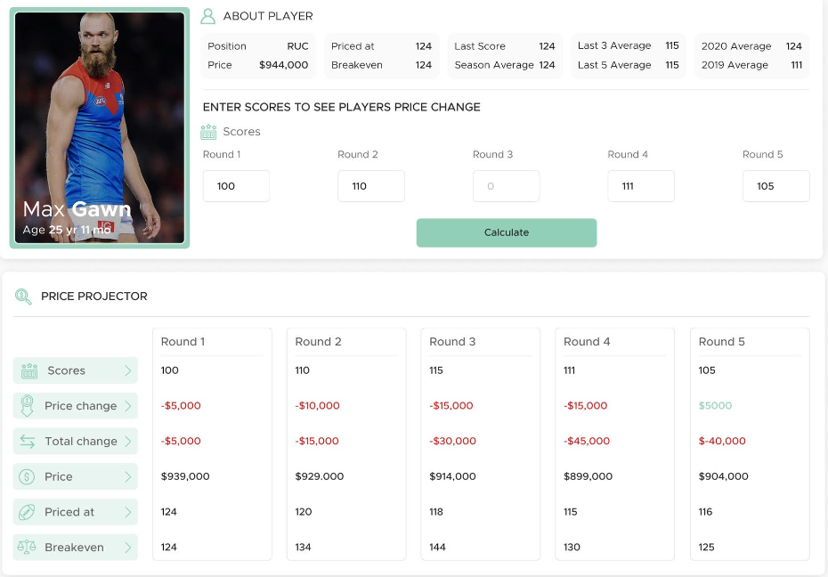
STEP 1 : CHANGE THIS CELL
USER SCREEN |  |  |  |  |  |  |  |  |  |  |  |  |  | DATABASE LOOKUPS
 |  |  |  |  |  |  |  |  |  |  |  |  |  | scores & prices for last 4 rounds played
Player |  | Lachie Neale
Price |  | 676,200 |  |  |  |  |  |  |  |  |  |  |  | Player | Team | Price | L01 | L02 | L03 | L04 | Expected BE | Note
 |  |  |  |  |  |  |  |  |  |  |  |  |  | Lachie Neale | BL | 676200 | 0 | 0 | 0 | 0 | 128 | All 22
 |  | Round 0 | Round 1 | Round 2 | Round 3 | Round 4 |  |  |  |  |  |  |  | Dom Sheed | WC | 332000 | 0 | 0 | 0 | 0 | 63 | Played 1
 | Projected Scores | 100 | 100 | 100 | 100 | 100 |  |  |  |  |  |  |  | Brodie Grundy | ME | 512900 | 0 | 0 | 0 | 0 | 97 | Played 6
 |  |  |  |  |  |  |  |  |  |  |  |  |  | Nick Coffield | SK | 208800 | 0 | 0 | 0 | 0 | 39 | Missed Season
 |  |  |  |  |  |  |  |  |  |  |  |  |  | Will Ashcroft | BL | 202800 | 0 | 0 | 0 | 0 | 38 | Top priced rookie
PRICE PROJECTOR |  |  |  |  |  |  |  |  |  |  |  |  |  | Blake Drury | NM | 102400 | 0 | 0 | 0 | 0 | 19 | Basement rookie
 |  | 1 | 2 | 3 | 4 | 5 |  |  |  |  |  |  |  | Fergus Greene | HW | 123900 | 0 | 0 | 0 | 0 | 23 | Default rookie
 |  | Round 0 | Round 1 | Round 2 | Round 3 | Round 4 |  |  |  |  |  |  |  | Tim Kelly | WC | 476100 | 0 | 0 | 0 | 0 | 90 | Played 17
 | Scores | 100 | 100 | 100 | 100 | 100 |  |  |  |  |  |  |  | Lloyd Meek | HW | 431100 | 0 | 0 | 0 | 0 | 81 | Played 6
 | Price Change | -$200 | $0 | -$40,000 | -$32,000 | -$26,000 |  |  |  |  |  |  |  | Charlie Spargo | ME | 308600 | 0 | 0 | 0 | 0 | 58 | All 22
 | Total Change | -$200 | -$200 | -$40,200 | -$72,200 | -$98,200
STEP 3 : CHECK VALUES MATCH
 | Price | $676,000 | $676,000 | $636,000 | $604,000 | $578,000
 | Priced at | 123 | 125 | 128 | 123 | 119
 | Breakeven | 125 | 141 | 184 | 168 | 157 |  |  |  |  |  |  |  |  | User Inputs
 |  |  |  |  |  |  |  |  |  |  |  |  |  |  | Database Lookups
 |  |  |  |  |  |  |  |  |  |  |  |  |  |  | Weekly System Inputs
 |  |  |  |  |  |  |  |  |  |  |  |  |  |  | Developer Calculations

WEEKLY SYSTEM INPUTS (ADMINSTRATOR) |  |  |  |  |  | WEIGHTS (CONSTANT)
 |  |  |  |  |  | game | L01 | L02 | L03 | L04 | L05
Last Round |  | -1 |  |  |  | wt | 1 | 1 | 1 | 0 | 0
Initial MN |  | 5506 |  |  |  | pt | 0.333 | 0.333 | 0.333 | 0.000 | 0.000
MN Decay |  | 2.00% |  |  |  | beta | 0.270 | 0.270 | 0.270 | 0.000 | 0.000

STEP 2 : MATCH THIS VALUE WITH EXPECTED BE
CALCULATIONS FOR DEVELOPER

Player | Lachie Neale |  | game | L01 | L02 | L03 | L04 | L05
Team | BL |  | pt | 0.333 | 0.333 | 0.333 | 0.000 | 0.000
Current Price | 676,200 |  | beta | 0.270 | 0.270 | 0.270 | 0.000 | 0.000

 |  | Pre-Round |  |  |  |  |  |  | Played | Wt Avg | Post Round
Round | MN | Price | Score | L01 | L02 | L03 | L04 | L05 | Rounds | Score | Price | Breakeven | Priced at
0 | 5506 | 676,200 | 100 | 100 | 0 | 0 | 0 | 0 | 1 | 33 | 676,200 | 125 | 123
1 | 5396 | 676,200 | 100 | 100 | 100 | 0 | 0 | 0 | 2 | 67 | 676,200 | 141 | 125
2 | 5288 | 676,200 | 100 | 100 | 100 | 100 | 0 | 0 | 3 | 100 | 636,401 | 184 | 128
3 | 5182 | 636,401 | 100 | 100 | 100 | 100 | 100 | 0 | 4 | 100 | 604,492 | 168 | 123
4 | 5079 | 604,492 | 100 | 100 | 100 | 100 | 100 | 100 | 5 | 100 | 578,400 | 157 | 119

R00 SC
STEP 1 : CHANGE THIS CELL
USER SCREEN |  |  |  |  |  |  |  |  |  |  |  |  |  | DATABASE LOOKUPS
 |  |  |  |  |  |  |  |  |  |  |  |  |  | scores & prices for last 4 rounds played
Player |  | Matt Roberts
Price |  | 156,800 |  |  |  |  |  |  |  |  |  |  |  | Player | Team | Price | L01 | L02 | L03 | L04 | Expected BE | Note
 |  |  |  |  |  |  |  |  |  |  |  |  |  | Marcus Bontempelli | WB | 724600 | 0 | 0 | 0 | 0 | 137 | All 23
 |  | Round 1 | Round 2 | Round 3 | Round 4 | Round 5 |  |  |  |  |  |  |  | Jhye Clark | GE | 123900 | 0 | 0 | 0 | 0 | 23 | Played 1
 | Projected Scores | 100 | 100 | 100 | 100 | 100 |  |  |  |  |  |  |  | Brodie Grundy | ME | 481900 | 139 | 0 | 0 | 0 | 66 | Played 17
 |  |  |  |  |  |  |  |  |  |  |  |  |  | Nick Coffield | WB | 123900 | 0 | 0 | 0 | 0 | 23 | Missed Season
 |  |  |  |  |  |  |  |  |  |  |  |  |  | Harley Reid | WC | 207300 | 0 | 0 | 0 | 0 | 38 | Top priced rookie
PRICE PROJECTOR |  |  |  |  |  |  |  |  |  |  |  |  |  | Shaun Mannagh | GE | 117300 | 0 | 0 | 0 | 0 | 22 | Basement rookie
 |  | 1 | 2 | 3 | 4 | 5 |  |  |  |  |  |  |  | Blake Howes | ME | 123900 | 91 | 0 | 0 | 0 | -12 | Default rookie
 |  | Round 1 | Round 2 | Round 3 | Round 4 | Round 5 |  |  |  |  |  |  |  | Zac Fisher | NM | 378600 | 0 | 0 | 0 | 0 | 69 | Played 12
 | Scores | 100 | 100 | 100 | 100 | 100 |  |  |  |  |  |  |  | Matt Roberts | SY | 156800 | 76 | 0 | 0 | 0 | 5 | Played 6
 | Price Change | $200 | $93,000 | $77,000 | $55,000 | $37,000
 | Total Change | $200 | $93,200 | $170,200 | $225,200 | $262,200
STEP 3 : CHECK VALUES MATCH
 | Price | $157,000 | $250,000 | $327,000 | $382,000 | $419,000
 | Priced at | 28 | 29 | 47 | 62 | 73
 | Breakeven | 5 | -90 | -60 | -14 | 20 |  |  |  |  |  |  |  |  | User Inputs
 |  |  |  |  |  |  |  |  |  |  |  |  |  |  | Database Lookups
 |  |  |  |  |  |  |  |  |  |  |  |  |  |  | Weekly System Inputs
 |  |  |  |  |  |  |  |  |  |  |  |  |  |  | Developer Calculations

WEEKLY SYSTEM INPUTS (ADMINSTRATOR) |  |  |  |  |  | WEIGHTS (CONSTANT)
 |  |  |  |  |  | game | L01 | L02 | L03 | L04 | L05
Last Round |  | 0 |  |  |  | wt | 1 | 1 | 1 | 0 | 0
Initial MN |  | 5615 |  |  |  | pt | 0.333 | 0.333 | 0.333 | 0.000 | 0.000
MN Decay |  | 1.50% |  |  |  | beta | 0.270 | 0.270 | 0.270 | 0.000 | 0.000

STEP 2 : MATCH THIS VALUE WITH EXPECTED BE
CALCULATIONS FOR DEVELOPER

Player | Matt Roberts |  | game | L01 | L02 | L03 | L04 | L05
Team | SY |  | pt | 0.333 | 0.333 | 0.333 | 0.000 | 0.000
Current Price | 156,800 |  | beta | 0.270 | 0.270 | 0.270 | 0.000 | 0.000

 |  | Pre-Round |  |  |  |  |  |  | Played | Wt Avg | Post Round
Round | MN | Price | Score | L01 | L02 | L03 | L04 | L05 | Rounds | Score | Price | Breakeven | Priced at
1 | 5531 | 156,800 | 100 | 100 | 76 | 0 | 0 | 0 | 2 | 59 | 156,800 | 5 | 28
2 | 5448 | 156,800 | 100 | 100 | 100 | 76 | 0 | 0 | 3 | 92 | 249,788 | -90 | 29
3 | 5366 | 249,788 | 100 | 100 | 100 | 100 | 76 | 0 | 4 | 100 | 327,230 | -60 | 47
4 | 5286 | 327,230 | 100 | 100 | 100 | 100 | 100 | 76 | 5 | 100 | 381,589 | -14 | 62
5 | 5206 | 381,589 | 100 | 100 | 100 | 100 | 100 | 100 | 5 | 100 | 419,131 | 20 | 73

R01 SC
STEP 1 : CHANGE THIS CELL
USER SCREEN |  |  |  |  |  |  |  |  |  |  |  |  |  | DATABASE LOOKUPS
 |  |  |  |  |  |  |  |  |  |  |  |  |  | scores & prices for last 4 rounds played
Player |  | Matt Roberts
Price |  | 156,800 |  |  |  |  |  |  |  |  |  |  |  | Player | Team | Price | L01 | L02 | L03 | L04 | Expected BE | Note
 |  |  |  |  |  |  |  |  |  |  |  |  |  | Marcus Bontempelli | WB | 724600 | 126 | 0 | 0 | 0 | 147 | All 23
 |  | Round 2 | Round 3 | Round 4 | Round 5 | Round 6 |  |  |  |  |  |  |  | Jhye Clark | GE | 123900 | 13 | 0 | 0 | 0 | 30 | Played 1
 | Projected Scores | 100 | 100 | 100 | 100 | 100 |  |  |  |  |  |  |  | Brodie Grundy | ME | 481900 | 71 | 139 | 0 | 0 | 66 | Played 17
 |  |  |  |  |  |  |  |  |  |  |  |  |  | Nick Coffield | WB | 123900 | 49 | 0 | 0 | 0 | 11 | Missed Season
 |  |  |  |  |  |  |  |  |  |  |  |  |  | Harley Reid | WC | 207300 | 78 | 0 | 0 | 0 | 21 | Top priced rookie
PRICE PROJECTOR |  |  |  |  |  |  |  |  |  |  |  |  |  | Shaun Mannagh | GE | 117300 | 29 | 0 | 0 | 0 | 19 | Basement rookie
 |  | 1 | 2 | 3 | 4 | 5 |  |  |  |  |  |  |  | Blake Howes | ME | 123900 | 64 | 91 | 0 | 0 | -84 | Default rookie
 |  | Round 2 | Round 3 | Round 4 | Round 5 | Round 6 |  |  |  |  |  |  |  | Zac Fisher | NM | 378600 | 50 | 0 | 0 | 0 | 85 | Played 12
 | Scores | 100 | 100 | 100 | 100 | 100 |  |  |  |  |  |  |  | Matt Roberts | SY | 156800 | 69 | 76 | 0 | 0 | -55 | Played 6
 | Price Change | $73,200 | $62,000 | $57,000 | $39,000 | $26,000
 | Total Change | $73,200 | $135,200 | $192,200 | $231,200 | $257,200
STEP 3 : CHECK VALUES MATCH
 | Price | $230,000 | $292,000 | $349,000 | $388,000 | $414,000
 | Priced at | 30 | 45 | 58 | 71 | 80
 | Breakeven | -55 | -35 | -26 | 12 | 41 |  |  |  |  |  |  |  |  | User Inputs
 |  |  |  |  |  |  |  |  |  |  |  |  |  |  | Database Lookups
 |  |  |  |  |  |  |  |  |  |  |  |  |  |  | Weekly System Inputs
 |  |  |  |  |  |  |  |  |  |  |  |  |  |  | Developer Calculations

WEEKLY SYSTEM INPUTS (ADMINSTRATOR) |  |  |  |  |  | WEIGHTS (CONSTANT)
 |  |  |  |  |  | game | L01 | L02 | L03 | L04 | L05
Last Round |  | 1 |  |  |  | wt | 1 | 1 | 1 | 0 | 0
Initial MN |  | 5455 |  |  |  | pt | 0.333 | 0.333 | 0.333 | 0.000 | 0.000
MN Decay |  | 2.00% |  |  |  | beta | 0.270 | 0.270 | 0.270 | 0.000 | 0.000

STEP 2 : MATCH THIS VALUE WITH EXPECTED BE
CALCULATIONS FOR DEVELOPER

Player | Matt Roberts |  | game | L01 | L02 | L03 | L04 | L05
Team | SY |  | pt | 0.333 | 0.333 | 0.333 | 0.000 | 0.000
Current Price | 156,800 |  | beta | 0.270 | 0.270 | 0.270 | 0.000 | 0.000

 |  | Pre-Round |  |  |  |  |  |  | Played | Wt Avg | Post Round
Round | MN | Price | Score | L01 | L02 | L03 | L04 | L05 | Rounds | Score | Price | Breakeven | Priced at
2 | 5239 | 156,800 | 100 | 100 | 69 | 76 | 0 | 0 | 3 | 82 | 229,984 | -55 | 30
3 | 5134 | 229,984 | 100 | 100 | 100 | 69 | 76 | 0 | 4 | 90 | 292,187 | -35 | 45
4 | 5032 | 292,187 | 100 | 100 | 100 | 100 | 69 | 76 | 5 | 100 | 349,148 | -26 | 58
5 | 4931 | 349,148 | 100 | 100 | 100 | 100 | 100 | 69 | 5 | 100 | 388,012 | 12 | 71
6 | 4832 | 388,012 | 100 | 100 | 100 | 100 | 100 | 100 | 5 | 100 | 413,720 | 41 | 80

MN 2010-2022
 |  | MN Table |  |  |  |  |  |  |  |  |  |  |  |  |  |  | Decay Table |  |  |  |  |  |  |  |  |  |  |  |  |  |  | 5505.82 | Rebased to 2022 Magic Number
 |  |  |  |  |  |  |  |  |  |  |  |  |  |  |  |  |  |  |  |  |  |  |  |  |  |  |  |  |  |  |  |  |  |  |  |  |  |  |  |  |  |  |  |  |  | Est
 |  | 2010 | 2011 | 2012 | 2013 | 2014 | 2015 | 2016 | 2017 | 2018 | 2019 | 2020 | 2021 | 2022 |  | Post Rd | 2010 | 2011 | 2012 | 2013 | 2014 | 2015 | 2016 | 2017 | 2018 | 2019 | 2020 | 2021 | 2022 | Ave |  | 2010 | 2011 | 2012 | 2013 | 2014 | 2015 | 2016 | 2017 | 2018 | 2019 | 2020 | 2021 | 2022 | Average | 2023
 | 0 | 5311.5 | 4865.9 | 5420.7 | 5350.3 | 5394.2 | 5374.87 | 5396.4 | 5441 | 5498 | 5428.71 | 5430.1 | 5375 | 5475 |  | 0 |  |  |  |  |  |  |  |  |  |  |  |  |  |  | 0 | 5,506 | 5,506 | 5,506 | 5,506 | 5,506 | 5,506 | 5,506 | 5,506 | 5,506 | 5,506 | 5,506 | 5,506 | 5,475 | 5,506 | 5,506
 | 1 | 5014.887332 | 4580.824719 | 5032.614483 | 5147.270272 | 5128.139519 | 5211.411306 | 5186.684227 | 5206.054092 | 5191.503686 | 5179.381061 | 5254.772994 | 5159.7986735 | 5207.3400673 |  | 1 | 5.58% | 5.86% | 7.16% | 3.79% | 4.93% | 3.04% | 3.89% | 4.32% | 5.57% | 4.59% | 3.23% | 4.00% | 4.89% | 4.68% | 1 | 5,198 | 5,183 | 5,112 | 5,297 | 5,234 | 5,338 | 5,292 | 5,268 | 5,199 | 5,253 | 5,328 | 5,285 | 5,207 | 5,249
 | 2 | 4978.111797 | 4519.458859 | 4965.780101 | 5121.94479 | 5043.900267 | 5105.45181 | 5107.811877 | 5180.118987 | 5081.027191 | 5162.066884 | 5274.988164 | 5114.9785815 | 5093.0224668 |  | 2 | 0.73% | 1.34% | 1.33% | 0.49% | 1.64% | 2.03% | 1.52% | 0.50% | 2.13% | 0.33% | -0.38% | 0.87% | 2.20% | 1.13% | 2 | 5,160 | 5,114 | 5,044 | 5,271 | 5,148 | 5,230 | 5,211 | 5,242 | 5,088 | 5,235 | 5,349 | 5,239 | 5,093 | 5,194
 | 3 | 4962.596031 | 4478.077614 | 4912.904385 | 5068.465194 | 5015.552676 | 5061.456281 | 5102.677734 | 5145.643688 | 5047.211297 | 5101.468412 | 5272.956367 | 5114.0663687 | 5066.36 |  | 3 | 0.31% | 0.92% | 1.06% | 1.04% | 0.56% | 0.86% | 0.10% | 0.67% | 0.67% | 1.17% | 0.04% | 0.02% | 0.52% | 0.61% | 3 | 5,144 | 5,067 | 4,990 | 5,216 | 5,119 | 5,185 | 5,206 | 5,207 | 5,054 | 5,174 | 5,346 | 5,239 | 5,066 | 5,162
 | 4 | 4934.344738 | 4431.195032 | 4954.868662 | 5042.764807 | 5006.084628 | 5040.010374 | 5097.180761 | 5124.061498 | 5109.48476 | 5131.245745 | 5228.094207 | 5127.9407063 | 5101.97 |  | 4 | 0.57% | 1.05% | -0.85% | 0.51% | 0.19% | 0.42% | 0.11% | 0.42% | -1.23% | -0.58% | 0.85% | -0.27% | -0.70% | 0.04% | 4 | 5,115 | 5,014 | 5,033 | 5,189 | 5,110 | 5,163 | 5,201 | 5,185 | 5,117 | 5,204 | 5,301 | 5,253 | 5,102 | 5,157
 | 5 | 4900.173417 | 4435.884174 | 5009.252929 | 5038.033283 | 4943.285622 | 5013.945692 | 5125.206121 | 5137.431989 | 5125.632769 | 5169.33069 | 5180.914976 | 5126.4671072 | 5183.7704649 |  | 5 | 0.69% | -0.11% | -1.10% | 0.09% | 1.25% | 0.52% | -0.55% | -0.26% | -0.32% | -0.74% | 0.90% | 0.03% | -1.60% | -0.09% | 5 | 5,079 | 5,019 | 5,088 | 5,184 | 5,046 | 5,136 | 5,229 | 5,199 | 5,133 | 5,243 | 5,253 | 5,251 | 5,184 | 5,155
 | 6 | 4967.722955 | 4312.133589 | 4958.175425 | 5008.371211 | 4980.10075 | 5012.999122 | 5114.457253 | 5106.709601 | 5058.591633 | 5156.0682 | 5161.720945 | 5097.1412738 | 5169.3869064 |  | 6 | -1.38% | 2.79% | 1.02% | 0.59% | -0.74% | 0.02% | 0.21% | 0.60% | 1.31% | 0.26% | 0.37% | 0.57% | 0.28% | 0.45% | 6 | 5,149 | 4,879 | 5,036 | 5,154 | 5,083 | 5,135 | 5,218 | 5,168 | 5,066 | 5,229 | 5,234 | 5,221 | 5,169 | 5,131
 | 7 | 4974.686089 | 4385.24116 | 4918.969466 | 4991.897243 | 5061.033685 | 5018.385617 | 5050.164799 | 5127.521453 | 5024.410134 | 5118.708917 | 5092.523074 | 5031.3948282 | 5167.1623267 |  | 7 | -0.14% | -1.70% | 0.79% | 0.33% | -1.63% | -0.11% | 1.26% | -0.41% | 0.68% | 0.72% | 1.34% | 1.29% | 0.04% | 0.19% | 7 | 5,157 | 4,962 | 4,996 | 5,137 | 5,166 | 5,141 | 5,153 | 5,189 | 5,032 | 5,191 | 5,164 | 5,154 | 5,167 | 5,120
 | 8 | 4937.099344 | 4359.864179 | 4928.682733 | 5005.265424 | 4989.813471 | 5038.61823 | 5049.459134 | 5092.762794 | 4980.306733 | 5058.61328 | 5031.024534 | 5050.5905911 | 5143.4321442 |  | 8 | 0.76% | 0.58% | -0.20% | -0.27% | 1.41% | -0.40% | 0.01% | 0.68% | 0.88% | 1.17% | 1.21% | -0.38% | 0.46% | 0.45% | 8 | 5,118 | 4,933 | 5,006 | 5,151 | 5,093 | 5,161 | 5,152 | 5,153 | 4,987 | 5,130 | 5,101 | 5,174 | 5,143 | 5,097
 | 9 | 4912.178401 | 4413.048202 | 4919.452494 | 4981.715207 | 5064.659116 | 5040.178058 | 5014.086928 | 5111.053267 | 4967.527155 | 5031.053004 | 5027.482549 | 5026.3039223 | 5098.6732038 |  | 9 | 0.50% | -1.22% | 0.19% | 0.47% | -1.50% | -0.03% | 0.70% | -0.36% | 0.26% | 0.54% | 0.07% | 0.48% | 0.87% | 0.08% | 9 | 5,092 | 4,993 | 4,997 | 5,127 | 5,169 | 5,163 | 5,116 | 5,172 | 4,975 | 5,103 | 5,098 | 5,149 | 5,099 | 5,096
 | 10 | 4842.987298 | 4318.824538 | 4876.035315 | 4946.246264 | 5044.069894 | 5075.869609 | 4997.612349 | 5103.568352 | 4999.115532 | 5047.362847 | 4990.466841 | 5036.2981643 | 5091.1065435 |  | 10 | 1.41% | 2.14% | 0.88% | 0.71% | 0.41% | -0.71% | 0.33% | 0.15% | -0.64% | -0.32% | 0.74% | -0.20% | 0.15% | 0.39% | 10 | 5,020 | 4,887 | 4,953 | 5,090 | 5,148 | 5,200 | 5,099 | 5,164 | 5,006 | 5,119 | 5,060 | 5,159 | 5,091 | 5,075
 | 11 | 4831.755627 | 4280.868843 | 4850.439722 | 4952.959629 | 5001.184917 | 5064.368669 | 5012.410763 | 5076.216713 | 4999.580794 | 5024.902978 | 4985.639986 | 5005.2179826 | 5086.1168393 |  | 11 | 0.23% | 0.88% | 0.52% | -0.14% | 0.85% | 0.23% | -0.30% | 0.54% | -0.01% | 0.44% | 0.10% | 0.62% | 0.10% | 0.31% | 11 | 5,009 | 4,844 | 4,927 | 5,097 | 5,105 | 5,188 | 5,114 | 5,137 | 5,007 | 5,096 | 5,055 | 5,127 | 5,086 | 5,059
 | 12 | 4798.246972 | 4304.388935 | 4899.244315 | 4861.680866 | 5015.062181 | 5043.031604 | 4990.143913 | 5116.46805 | 4950.737095 | 5034.690312 | 4963.662438 | 5033.4372285 | 5085.217622 |  | 12 | 0.69% | -0.55% | -1.01% | 1.84% | -0.28% | 0.42% | 0.44% | -0.79% | 0.98% | -0.19% | 0.44% | -0.56% | 0.02% | 0.11% | 12 | 4,974 | 4,870 | 4,976 | 5,003 | 5,119 | 5,166 | 5,091 | 5,177 | 4,958 | 5,106 | 5,033 | 5,156 | 5,085 | 5,052
 | 13 | 4785.370669 | 4303.976315 | 4838.63814 | 4952.786868 | 5036.645775 | 5041.432141 | 4863.588285 | 5109.488601 | 4991.351552 | 5040.074015 | 4965.06322 | 4998.359551 | 5192.6191005 |  | 13 | 0.27% | 0.01% | 1.24% | -1.87% | -0.43% | 0.03% | 2.54% | 0.14% | -0.82% | -0.11% | -0.03% | 0.70% | -2.11% | -0.04% | 13 | 4,960 | 4,870 | 4,915 | 5,097 | 5,141 | 5,164 | 4,962 | 5,170 | 4,998 | 5,112 | 5,034 | 5,120 | 5,193 | 5,045
 | 14 | 4795.68799 | 4337.894525 | 4907.764972 | 4931.434088 | 5069.878955 | 5082.872109 | 4938.657948 | 5111.202934 | 4954.286783 | 5062.919764 | 4975.262645 | 5175.7624298 | 5093.62 |  | 14 | -0.22% | -0.79% | -1.43% | 0.43% | -0.66% | -0.82% | -1.54% | -0.03% | 0.74% | -0.45% | -0.21% | -3.55% | 1.91% | -0.51% | 14 | 4,971 | 4,908 | 4,985 | 5,075 | 5,175 | 5,207 | 5,039 | 5,172 | 4,961 | 5,135 | 5,045 | 5,302 | 5,094 | 5,081
 | 15 | 4821.194353 | 4288.456797 | 4874.057665 | 4896.203806 | 5044.358086 | 5074.708467 | 5004.564915 | 5045.073211 | 4899.769429 | 5063.899203 | 4997.436977 | 5094.7094818 | 5113.85 |  | 15 | -0.53% | 1.14% | 0.69% | 0.71% | 0.50% | 0.16% | -1.33% | 1.29% | 1.10% | -0.02% | -0.45% | 1.57% | -0.40% | 0.34% | 15 | 4,998 | 4,852 | 4,951 | 5,039 | 5,149 | 5,198 | 5,106 | 5,105 | 4,907 | 5,136 | 5,067 | 5,219 | 5,114 | 5,060
 | 16 | 4808.714328 | 4303.980278 | 4856.817173 | 4858.639329 | 5034.573523 | 5060.678014 | 4970.672261 | 5036.401867 | 4896.272347 | 5058.918534 | 4968.026577 | 5116.9667954 | 5191.43 |  | 16 | 0.26% | -0.36% | 0.35% | 0.77% | 0.19% | 0.28% | 0.68% | 0.17% | 0.07% | 0.10% | 0.59% | -0.44% | -1.52% | 0.09% | 16 | 4,985 | 4,870 | 4,933 | 5,000 | 5,139 | 5,184 | 5,071 | 5,096 | 4,903 | 5,131 | 5,037 | 5,242 | 5,191 | 5,049
 | 17 | 4781.919566 | 4261.02882 | 4811.583893 | 4834.894977 | 4994.382153 | 4951.983914 | 4905.030257 | 5026.825741 | 4913.764083 | 5015.823379 | 4932.340502 | 5059.9458041 | 5150 |  | 17 | 0.56% | 1.00% | 0.93% | 0.49% | 0.80% | 2.15% | 1.32% | 0.19% | -0.36% | 0.85% | 0.72% | 1.11% | 0.80% | 0.81% | 17 | 4,957 | 4,821 | 4,887 | 4,975 | 5,098 | 5,073 | 5,004 | 5,087 | 4,921 | 5,087 | 5,001 | 5,183 | 5,150 | 5,008
 | 18 | 4770.499084 | 4318.339945 | 4751.638503 | 4838.319831 | 4991.69859 | 4964.028115 | 4871.237383 | 5004.610174 | 4895.626771 | 4996.952652 | 4937.050275 | 4997.6488841 | 5132.8321146 |  | 18 | 0.24% | -1.35% | 1.25% | -0.07% | 0.05% | -0.24% | 0.69% | 0.44% | 0.37% | 0.38% | -0.10% | 1.23% | 0.33% | 0.25% | 18 | 4,945 | 4,886 | 4,826 | 4,979 | 5,095 | 5,085 | 4,970 | 5,064 | 4,903 | 5,068 | 5,006 | 5,119 | 5,133 | 4,996
 | 19 | 4763.232244 | 4280.272515 | 4749.439505 | 4845.360242 | 4999.086102 | 4954.513145 | 4851.021974 | 4992.898132 | 4896.257574 | 5005.170715 |  | 5061.0211195 | 5126 |  | 19 | 0.15% | 0.88% | 0.05% | -0.15% | -0.15% | 0.19% | 0.41% | 0.23% | -0.01% | -0.16% |  | -1.27% | 0.13% | 0.03% | 19 | 4,937 | 4,843 | 4,824 | 4,986 | 5,103 | 5,075 | 4,949 | 5,052 | 4,903 | 5,076 |  | 5,184 | 5,126 | 4,994
 | 20 | 4715.689935 | 4293.222109 | 4747.255206 | 4835.832996 | 5007.658899 | 4937.311034 | 4842.724747 | 4966.323245 | 4874.094459 | 4958.505975 |  | 5029.6752983 | 5120.3771339 |  | 20 | 1.00% | -0.30% | 0.05% | 0.20% | -0.17% | 0.35% | 0.17% | 0.53% | 0.45% | 0.93% |  | 0.62% | 0.11% | 0.33% | 20 | 4,888 | 4,858 | 4,822 | 4,976 | 5,111 | 5,058 | 4,941 | 5,025 | 4,881 | 5,029 |  | 5,152 | 5,120 | 4,977
 | 21 | 4736.343543 | 4319.460567 | 4791.784455 | 4836.863639 | 5005.711944 | 4884.70744 | 4834.387811 | 4960.293415 | 4865.719662 | 4975.19195 |  | 5012.2225571 | 5144.0180618 |  | 21 | -0.44% | -0.61% | -0.94% | -0.02% | 0.04% | 1.07% | 0.17% | 0.12% | 0.17% | -0.34% |  | 0.35% | -0.46% | -0.07% | 21 | 4,910 | 4,888 | 4,867 | 4,977 | 5,109 | 5,004 | 4,932 | 5,019 | 4,873 | 5,046 |  | 5,134 | 5,144 | 4,978
 | 22 | 4694.650574 | 4365.972929 | 4749.876946 | 4837.276006 | 4934.390311 | 4888.720558 | 4840.325733 | 4961.221278 | 4846.374505 | 4968.626357 |  | 4955.635525 | 5133.4093385 |  | 22 | 0.88% | -1.08% | 0.87% | -0.01% | 1.42% | -0.08% | -0.12% | -0.02% | 0.40% | 0.13% |  | 1.13% | 0.21% | 0.31% | 22 | 4,866 | 4,940 | 4,824 | 4,978 | 5,036 | 5,008 | 4,938 | 5,020 | 4,853 | 5,039 |  | 5,076 | 5,133 | 4,962
 | 23 |  | 4340.758182 | 4749.73635 | 4805.384815 | 4894.314337 | 4811.645348 | 4845.665742 | 4974.010238 | 4839.412679 | 4986.418897 |  | 4882.1440334 |  |  | 23 |  | 0.58% | 0.00% | 0.66% | 0.81% | 1.58% | -0.11% | -0.26% | 0.14% | -0.36% |  | 1.48% |  | 0.45% | 23 |  | 4,912 | 4,824 | 4,945 | 4,996 | 4,929 | 4,944 | 5,033 | 4,846 | 5,057 |  | 5,001 |  | 4,949
 | 24 |  | 4291.309181 |  |  |  |  |  |  |  |  |  |  |  |  | 24 |  | 1.14% |  |  |  |  |  |  |  |  |  |  |  | 1.14% | 24 |  | 4,856
Normalised to 2023 MN
 | 2012 | 2013 | 2014 | 2015 | 2016 | 2017 | 2018 | 2019 | 2020 | 2021 | Average | 2022
5475 | 5475 | 5475 | 5475 | 5475 | 5475 | 5475 | 5475 | 5475 | 5475 | 5475 | 5475 | 5475
5154.2397782 | 5083.0269697 | 5267.238237 | 5204.9541853 | 5308.4961869 | 5262.229661 | 5238.58595 | 5169.7858641 | 5223.5450612 | 5298.2232633 | 5255.7949279 | 5219.6147506 | 5207.3400673
5085.1923083 | 5015.5230972 | 5241.3224913 | 5119.4531092 | 5200.562741 | 5182.2085143 | 5212.4887803 | 5059.7715298 | 5206.0832481 | 5318.605587 | 5210.1409738 | 5165.2251444 | 5093.0224668
5038.6310727 | 4962.1177169 | 5186.5964408 | 5090.6808982 | 5155.7476066 | 5176.9995911 | 5177.7980503 | 5026.0970991 | 5144.9680598 | 5316.5569896 | 5209.2117895 | 5133.3967743 | 5066.36
4985.8798578 | 5004.5023566 | 5160.2970522 | 5081.0710278 | 5133.9021777 | 5171.4225533 | 5156.0809964 | 5088.1100511 | 5174.9993007 | 5271.3238768 | 5223.3442543 | 5128.0973791 | 5101.97
4991.1559737 | 5059.4313993 | 5155.4552501 | 5017.3313523 | 5107.3519292 | 5199.8561101 | 5169.5350376 | 5104.1905075 | 5213.4089918 | 5223.7545337 | 5221.8432394 | 5126.1938482 | 5183.7704649
4851.9146303 | 5007.842244 | 5125.1018411 | 5054.697936 | 5106.3877253 | 5188.950682 | 5138.62067 | 5037.4298273 | 5200.033414 | 5204.4017926 | 5191.9718092 | 5102.3327742 | 5169.3869064
4934.1736063 | 4968.2435527 | 5108.2439126 | 5136.8431696 | 5111.8745668 | 5123.7217913 | 5159.5625722 | 5003.3913211 | 5162.3555726 | 5134.6317435 | 5125.0021739 | 5091.321848 | 5167.1623267
4905.6200045 | 4978.0541191 | 5121.9236672 | 5064.5561443 | 5132.484099 | 5123.0058481 | 5124.5867115 | 4959.4724196 | 5101.7475069 | 5072.624689 | 5144.5550672 | 5068.14206 | 5143.4321442
4965.4614575 | 4968.7314193 | 5097.8245628 | 5140.5229061 | 5134.0729855 | 5087.1184365 | 5142.9914789 | 4946.746303 | 5073.9522275 | 5069.0534163 | 5119.8165535 | 5067.473177 | 5098.6732038
4859.443134 | 4924.8793236 | 5061.5289414 | 5119.6252771 | 5170.4294447 | 5070.4039009 | 5135.4597918 | 4978.202535 | 5090.4011427 | 5031.7316356 | 5129.9967348 | 5047.0139398 | 5091.1065435
4816.7362493 | 4899.0273356 | 5068.3987755 | 5076.0979238 | 5158.7142503 | 5085.4178577 | 5107.9372365 | 4978.6658507 | 5067.7497609 | 5026.8648687 | 5098.3383172 | 5030.3697029 | 5086.1168393
4843.2005218 | 4948.3208118 | 4974.9925689 | 5090.1830561 | 5136.979691 | 5062.8266851 | 5148.4400981 | 4930.0264815 | 5077.6205504 | 5004.7055944 | 5127.0825723 | 5024.1938761 | 5085.217622
4842.7362512 | 4887.1075353 | 5068.221988 | 5112.0899518 | 5135.3504312 | 4934.4277408 | 5141.4170356 | 4970.4710344 | 5083.0501596 | 5006.1179591 | 5091.3522868 | 5017.0847992 | 5192.6191005
4880.9002496 | 4956.9268216 | 5046.3715365 | 5145.8209333 | 5177.5623963 | 5010.5908134 | 5143.1420812 | 4933.5613199 | 5106.0907118 | 5016.4017203 | 5272.0556844 | 5052.7278664 | 5093.62
4825.2740425 | 4922.8818632 | 5010.3201387 | 5119.9177859 | 5169.2466714 | 5077.4577329 | 5076.5991234 | 4879.2720305 | 5107.0785023 | 5038.7594057 | 5189.4947745 | 5032.1586421 | 5113.85
4842.7407103 | 4905.4686705 | 4971.8801425 | 5109.9866595 | 5154.9548411 | 5043.0714234 | 5067.8735934 | 4875.789578 | 5102.0553637 | 5009.1058192 | 5212.1661776 | 5020.9858688 | 5191.43
4794.4127067 | 4859.7822817 | 4947.5823784 | 5069.1932608 | 5044.2358474 | 4976.4733261 | 5058.2376276 | 4893.2081401 | 5058.5927412 | 4973.1246659 | 5154.0843306 | 4979.837099 | 5150
4858.8978809 | 4799.2364093 | 4951.0870558 | 5066.4695006 | 5056.5044233 | 4942.1882499 | 5035.8832389 | 4875.1467027 | 5039.5611056 | 4977.8733827 | 5090.6283982 | 4967.5685165 | 5132.8321146
4816.0652746 | 4797.0153836 | 4958.2915584 | 5073.9676705 | 5046.8121962 | 4921.6783981 | 5024.0980101 | 4875.7748668 | 5047.8492431 |  | 5155.179652 | 4966.0534158 | 5126
4830.6358632 | 4794.8092041 | 4948.5422599 | 5082.6688799 | 5029.2896221 | 4913.2603198 | 4997.3570605 | 4853.7044676 | 5000.7865981 |  | 5123.2506527 | 4948.6504073 | 5120.3771339
4860.1587793 | 4839.7845096 | 4949.5969242 | 5080.6927614 | 4975.7060606 | 4904.8019541 | 4991.289551 | 4845.3647052 | 5017.6148526 |  | 5105.4732093 | 4950.2383847 | 5144.0180618
4912.4934311 | 4797.4572065 | 4950.0189023 | 5008.302798 | 4979.7939401 | 4910.8263635 | 4992.2232121 | 4826.1004756 | 5010.9932755 |  | 5047.8333953 | 4934.1095956 | 5133.4093385
4884.1223713 | 4797.3152021 | 4917.38442 | 4967.6265239 | 4901.2828739 | 4916.2441512 | 5005.0920884 | 4819.1677733 | 5028.9375305 |  | 4972.9746201 | 4921.0147555
4828.4834801
 |  |  |  |  |  |  |  |  |  |  |  |  |  |  | Average
Average decay per round |  | 0.56% | 0.52% | 0.57% | 0.47% | 0.42% | 0.48% | 0.47% | 0.39% | 0.55% | 0.37% | 0.53% | 0.32% | 0.29% | 0.46%
Average decay excluding R0 |  | 0.31% | 0.28% | 0.26% | 0.31% | 0.21% | 0.36% | 0.31% | 0.21% | 0.32% | 0.17% | 0.37% | 0.25% | 0.07% | 0.26%
Total change by Round 5 |  | 7.74% | 8.84% | 7.59% | 5.84% | 8.36% | 6.72% | 5.03% | 5.58% | 6.77% | 4.78% | 4.59% | 4.62% | 5.32% | 6.29%

Pricing Formula
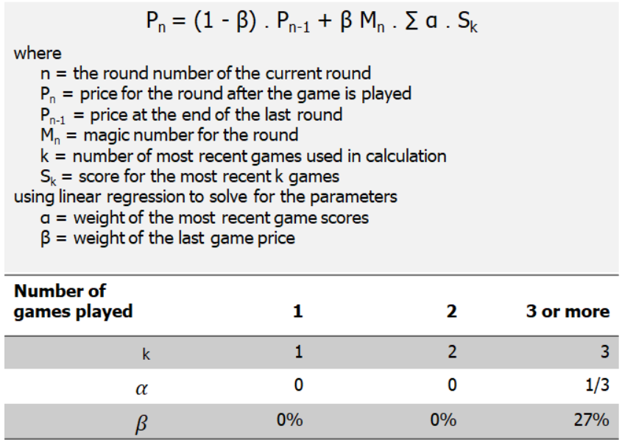
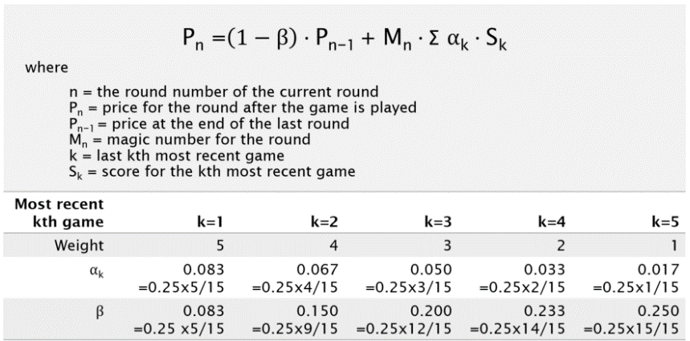

Source : | https://denisewong1.medium.com/how-afl-fantasy-pricing-works-part-2-bca9b6685d69

 |  | Magic Number = (P(n) - 0.73 P (n-1))/ (0.27 * Avg3)

